Excel Hacks -1
1. Stay on current cell after you press enter
To stay on the current cell Simply press Ctrl+Enter instead of Enter
2. set your default move direction or disable Move Selection permanently
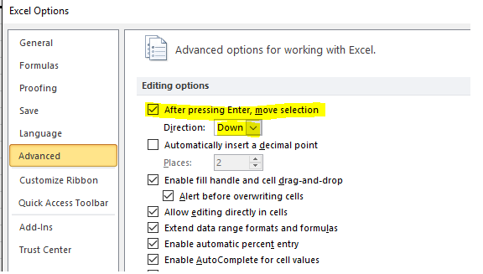
You can set your default move direction or disable Move Selection permanently by changing the option in the File, Options, Advanced, Editing Options menu:

3. Keyboard Shortcot
Drag Down | CTRL+D
Drag Right | CTRL+R
Drag Up | ALT+E+I+U
Drag Left | ALT+E+I+L

4. Quickly Jump to Range
Type the range address directly in the name box and then press enter to select it

5. Use Autocurrect to write formula
AutoCorrect is found in the File, Options, Proofing Menu

6. Clear Filters for the Current Column
Ensure the active cell is in the header of a filtered column and hit Alt+Down Arrow+C to clear the filter for the current selection

7. Convert a Month in Words to a Month Number
=Month(“March”&1) returns 3
=Month(“Mar”&1) returns 3

8. Delete All Non Formula Cells
Goto Home, Find & Select, Constants

9. Create Serial Number list that do not change with Filter

Sl No | Invoice Number
1 | INZ2222
2 | INZ8888
3 | INZ9999
4 | INZ2121
5 | INZ3333
6 | INZ2222
7 | INZ8888
8 | INZ9999
9 | INZ2121
10 | INZ3333
11 | INZ2222
10. Using the Camera Tool in Excel
Head over to Quick Access Toolbar and from the small drop down button, click More Commands...

Name | Marks | Percentage
amit | 33 | 33%
sumit | 44 | 44%
karan | 55 | 55%
animesh | 66 | 66%
vimleesh | 77 | 77%
puneet | 88 | 88%
reema | 44 | 44%

